Sheet1
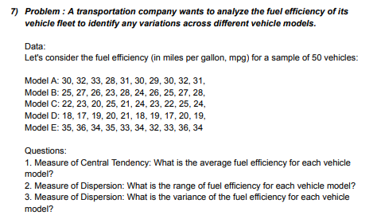
DATA |  |  |  |  | ANSWERS
30 | 25 | 22 | 18 | 35 | AVERAGE | 26.48
32 | 27 | 23 | 17 | 36 | RANGE | 19
33 | 26 | 20 | 19 | 34 | VARIANCE | 32.417959184
28 | 23 | 25 | 20 | 35
31 | 28 | 21 | 21 | 33
30 | 24 | 24 | 18 | 34
29 | 26 | 23 | 19 | 32
30 | 25 | 22 | 17 | 33
32 | 27 | 25 | 20 | 36
31 | 28 | 24 | 19 | 34

